Template Guidance
eProtein Discovery Standalone template v2.3
Important Note: This Standalone Excel Template is only compatible with results files generated on the eProtein Discovery Standalone Instrument software version 5.0.0 or higher.

Introduction
This template is to support standalone instrument guidance only.
Please keep this as a version controlled template. Changes to formulas, charts and labels outside of the designated cells may result in error.

This template is designed to support users with tracking, preparing, analysis and reporting of their experiment with Nuclera's eProtein Discovery Platform.
The yellow cells capture basic information that maps construct names and cell-free blends to ports which is used to generate a checklist, transfer plate map and the final result charts.
The Output and Charts tabs require users to paste the experiment report.csv into tab 3 as outlined below

Template Guidance

Save the original template file separately to be used for every new experiment
For every new experiment please save a copy of this template with the experiment ID in the filename

1. Use "Enter experiment details" tab to enter experiment type, proteins, molecular weight and cell-free blends.
Only enter details and data into the yellow cells provided
Entering details in the yellow cells will also populate the checklist and transfer plate map with your contructs and cell-free blends, to support transfer plate preparation.
Note that short protein names/ID (1-6 characters) are clearer labels for the printout checklist

A) First Select the Experiment Type from the dropdown options.

B) Add the name of each protein and its molecular weight.

C) For all except for the 24x1 screens, select the solubility tags you are screening.

D) If you do not have the full compliment of 24 constructs to run, you can exclude samples by selecting "No" in the "Include Sample?" column.
However, you will still need to physically replace excluded wells with Blank Buffer for Transfer Plate setup.

E) Select the additives for your cell-free blend.
If you wish to use Custom Additives, enter ADD01-ADD16 in the drop down and annotate your custom additive name in the Notes field.

Example of completed enter details template (3x8 solublity tag screen, reprentative data)
A
C
D
E

B

2. Print transfer plate map
This printout is designed to guide preparation of the transfer plate for loading on the eProtein discovery cartridge using a multichannel pipette.
Your washed strep bead will need to be loaded using a single channel pipette into port E10.

Example of completed Transfer Plate Checklist template (3x8 solublity tag screen)
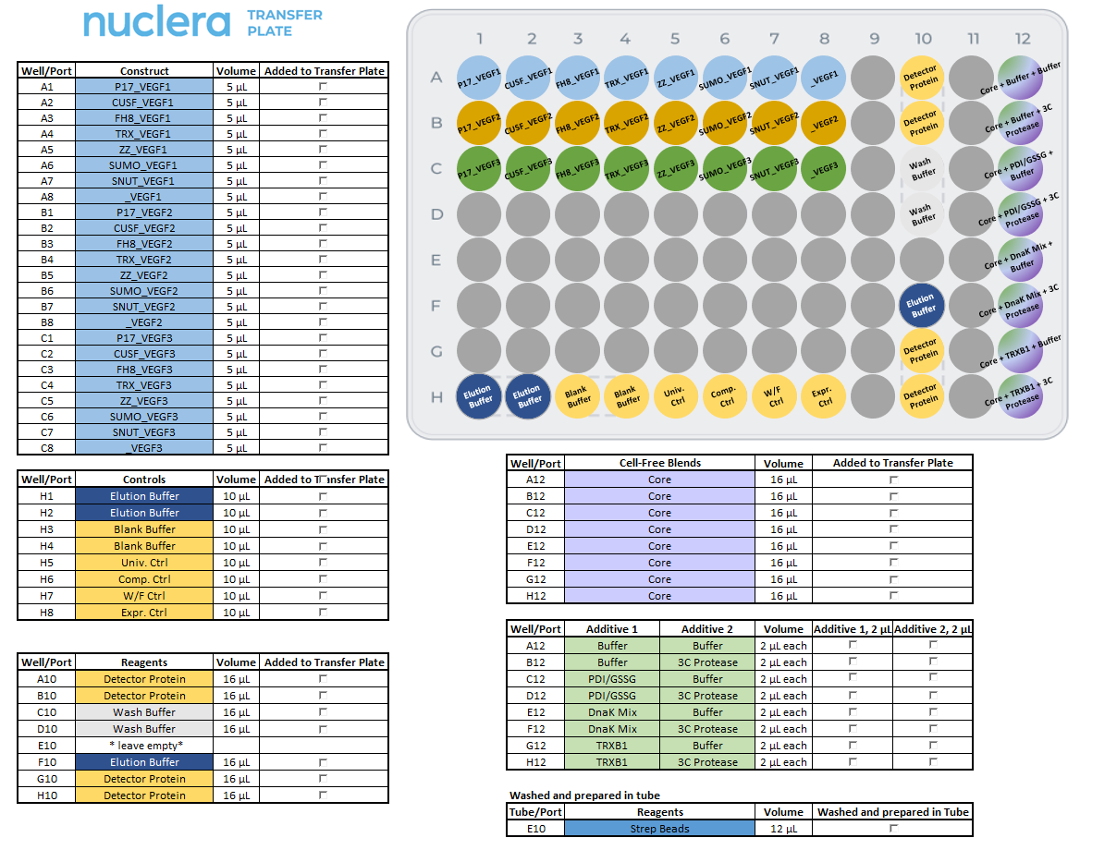

3. Paste report.csv here
Once your experiment has been completed, export the experiment report zip archive and extract the experiment report csv file from it.
Copy and paste contents of the entire report.csv file into the "3. Paste report.csv here" tab cell A1 of this template.
Your construct and cell-free blend labels will be automatically populated in the "Output" and "Charts" tabs.

4. Output
Review the data in the Output tab and ensure it is correctly labelled with corresponding construct and cell-free blend labels.

5. Charts
The labelled data charts will be automatically plotted in the Charts tab ready for your review
This page is editable, so you can make new graphs or change the colours, etc. You can sort the data using the drop down filters.

Example of charts for a 3x8 solublity tag screen
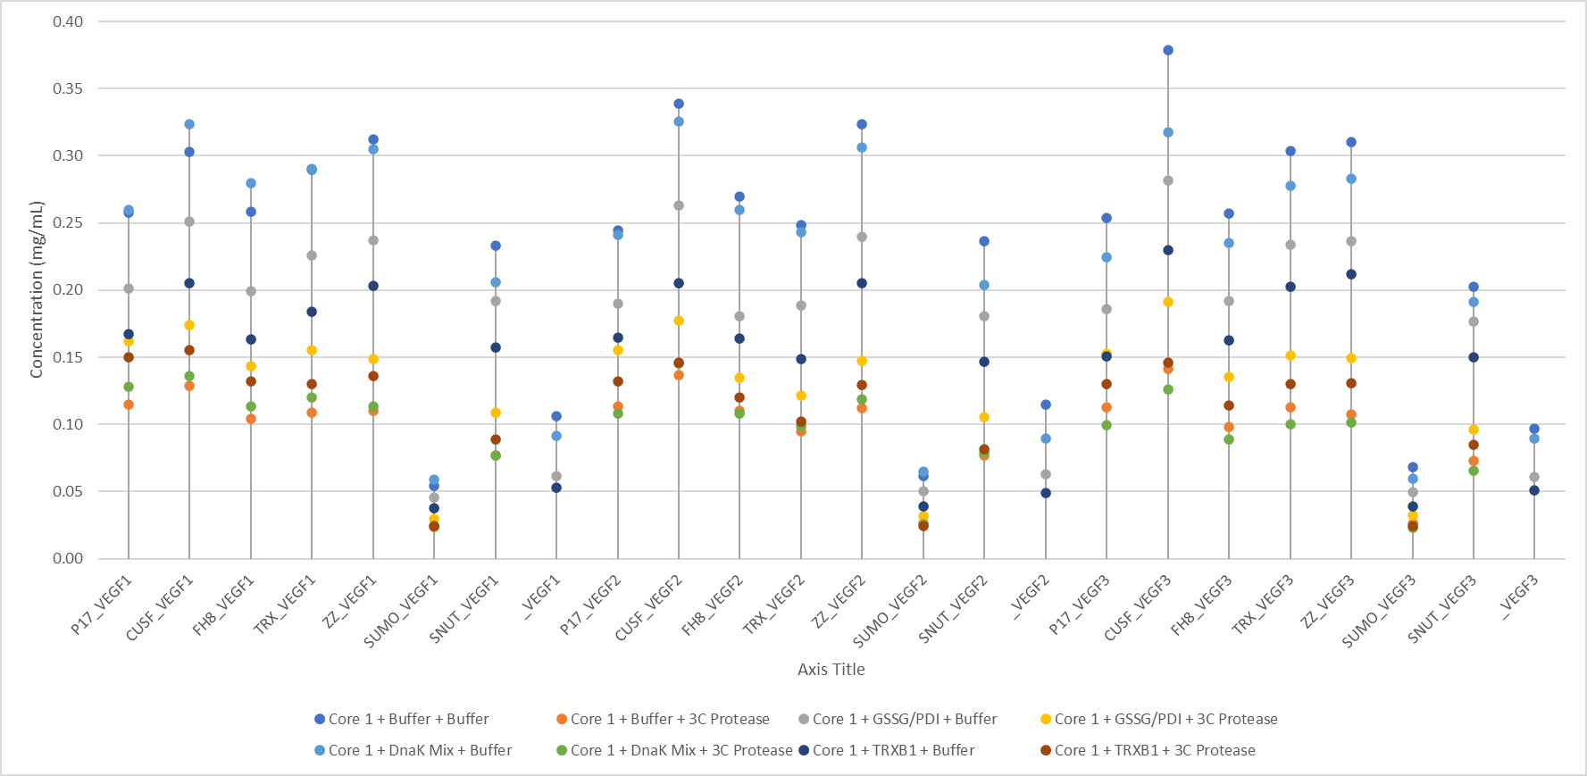
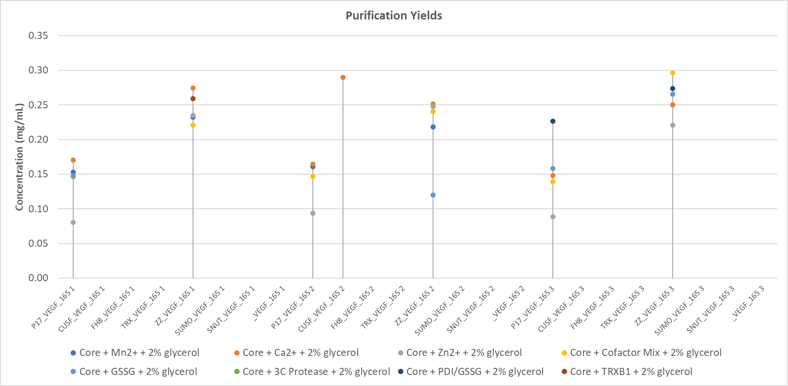

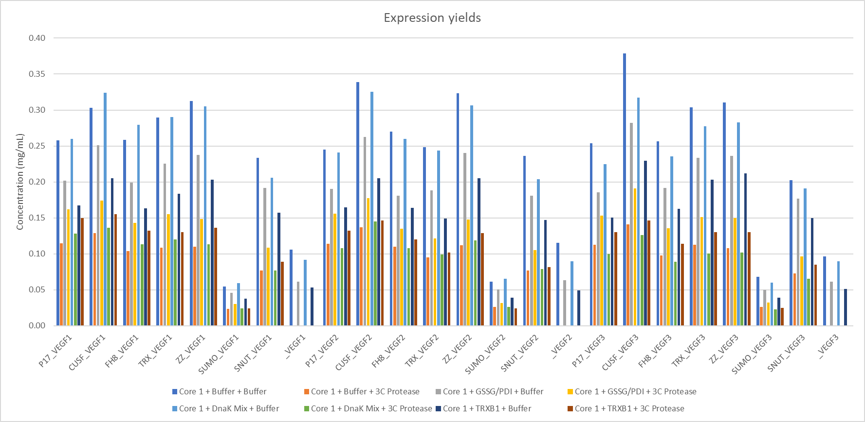
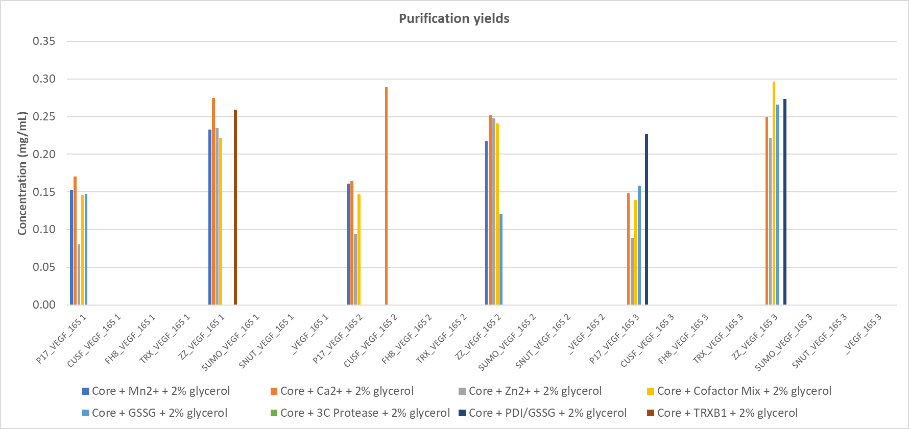

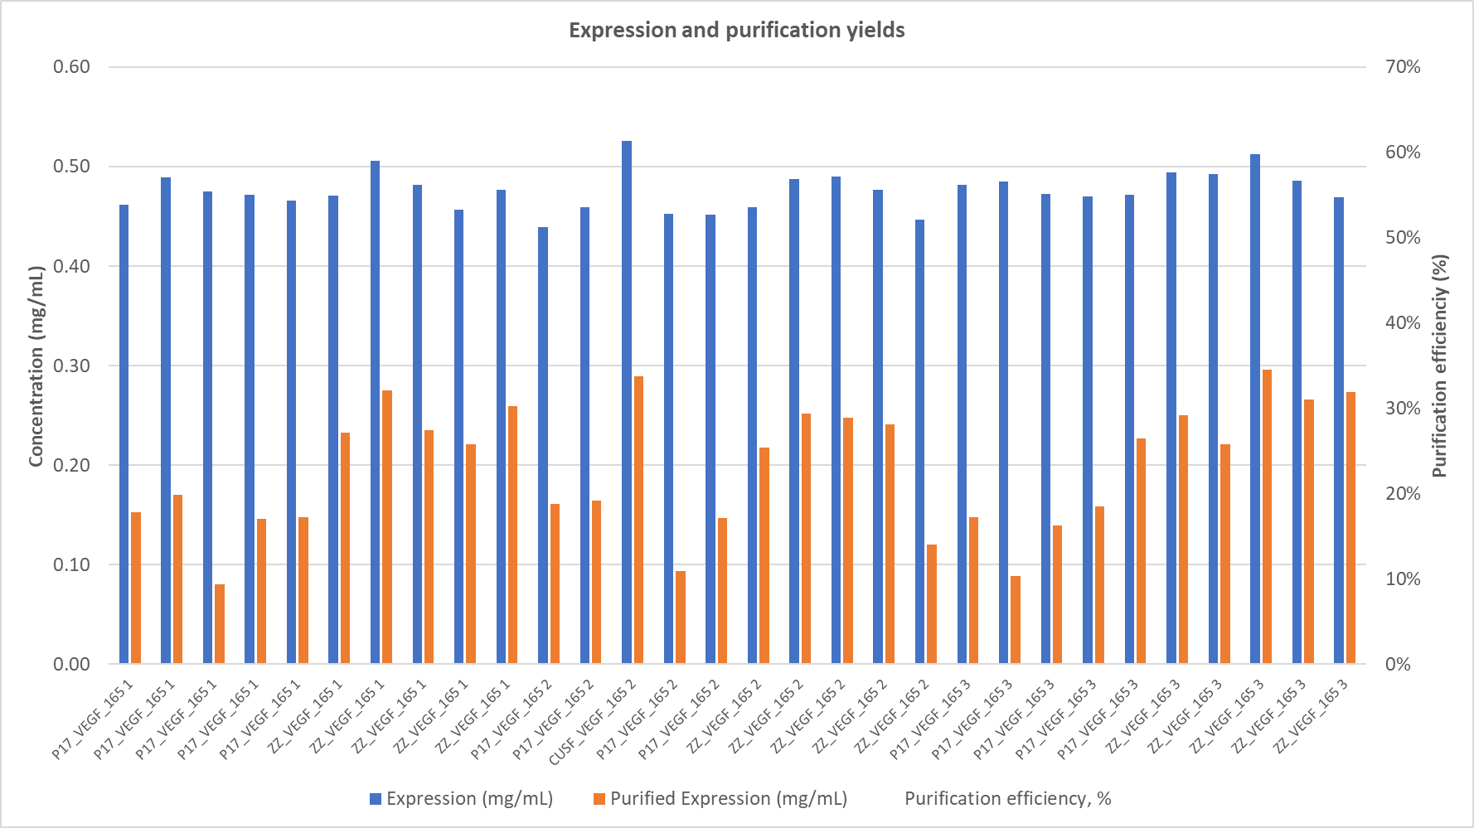

Please note any changes to the charts are the users reponsiblity.
Nuclera has tested this template to ensure the accuracy of the data connection to align with the report.csv experimental output.

2. Print plate map
 | Wash Buffer
9 | 8 | 0 | 0 | 0 | 0 | 0 | 0 | 0 | 0 | 0 | 0 | 0 | 0 | 0 | 0 | 0 | 0 | 0 | 0 | 0 | 0 | 0 | 0
11 | 8 | 0 | 0 | 0 | 0 | 0 | 0 | 0 | 0 | 0 | 0 | 0 | 0 | 0 | 0 | 0 | 0 | 0 | 0 | 0 | 0 | 0 | 0
9 | 7 | 0 | 0 | 0 | 0 | 0 | 0 | 0 | 0 | 0 | 0 | 0 | 0 | 0 | 0 | 0 | 0 | 0 | 0 | 0 | 0 | 0 | 0
11 | 7 | 0 | 0 | 0 | 0 | 0 | 0 | 0 | 0 | 0 | 0 | 0 | 0 | 0 | 0 | 0 | 0 | 0 | 0 | 0 | 0 | 0 | 0
9 | 6 | 0 | 0 | 0 | 0 | 0 | 0 | 0 | 0 | 0 | 0 | 0 | 0 | 0 | 0 | 0 | 0 | 0 | 0 | 0 | 0 | 0 | 0
11 | 6 | 0 | 0 | 0 | 0 | 0 | 0 | 0 | 0 | 0 | 0 | 0 | 0 | 0 | 0 | 0 | 0 | 0 | 0 | 0 | 0 | 0 | 0
1 | 5 | 0 | 0 | 0 | 0 | 0 | 0 | 0 | 0 | 0 | 0 | 0 | 0 | 0 | 0 | 0 | 0 | 0 | 0 | 0 | 0 | 0 | 0
2 | 5 | 0 | 0 | 0 | 0 | 0 | 0 | 0 | 0 | 0 | 0 | 0 | 0 | 0 | 0 | 0 | 0 | 0 | 0 | 0 | 0 | 0 | 0
3 | 5 | 0 | 0 | 0 | 0 | 0 | 0 | 0 | 0 | 0 | 0 | 0 | 0 | 0 | 0 | 0 | 0 | 0 | 0 | 0 | 0 | 0 | 0
4 | 5 | 0 | 0 | 0 | 0 | 0 | 0 | 0 | 0 | 0 | 0 | 0 | 0 | 0 | 0 | 0 | 0 | 0 | 0 | 0 | 0 | 0 | 0
5 | 5 | 0 | 0 | 0 | 0 | 0 | 0 | 0 | 0 | 0 | 0 | 0 | 0 | 0 | 0 | 0 | 0 | 0 | 0 | 0 | 0 | 0 | 0
6 | 5 | 0 | 0 | 0 | 0 | 0 | 0 | 0 | 0 | 0 | 0 | 0 | 0 | 0 | 0 | 0 | 0 | 0 | 0 | 0 | 0 | 0 | 0
7 | 5 | 0 | 0 | 0 | 0 | 0 | 0 | 0 | 0 | 0 | 0 | 0 | 0 | 0 | 0 | 0 | 0 | 0 | 0 | 0 | 0 | 0 | 0
8 | 5 | 0 | 0 | 0 | 0 | 0 | 0 | 0 | 0 | 0 | 0 | 0 | 0 | 0 | 0 | 0 | 0 | 0 | 0 | 0 | 0 | 0 | 0
9 | 5 | 0 | 0 | 0 | 0 | 0 | 0 | 0 | 0 | 0 | 0 | 0 | 0 | 0 | 0 | 0 | 0 | 0 | 0 | 0 | 0 | 0 | 0
11 | 5 | 0 | 0 | 0 | 0 | 0 | 0 | 0 | 0 | 0 | 0 | 0 | 0 | 0 | 0 | 0 | 0 | 0 | 0 | 0 | 0 | 0 | 0
1 | 4 | 0 | 0 | 0 | 0 | 0 | 0 | 0 | 0 | 0 | 0 | 0 | 0 | 0 | 0 | 0 | 0 | 0 | 0 | 0 | 0 | 0 | 0
2 | 4 | 0 | 0 | 0 | 0 | 0 | 0 | 0 | 0 | 0 | 0 | 0 | 0 | 0 | 0 | 0 | 0 | 0 | 0 | 0 | 0 | 0 | 0
3 | 4 | 0 | 0 | 0 | 0 | 0 | 0 | 0 | 0 | 0 | 0 | 0 | 0 | 0 | 0 | 0 | 0 | 0 | 0 | 0 | 0 | 0 | 0
4 | 4 | 0 | 0 | 0 | 0 | 0 | 0 | 0 | 0 | 0 | 0 | 0 | 0 | 0 | 0 | 0 | 0 | 0 | 0 | 0 | 0 | 0 | 0
5 | 4 | 0 | 0 | 0 | 0 | 0 | 0 | 0 | 0 | 0 | 0 | 0 | 0 | 0 | 0 | 0 | 0 | 0 | 0 | 0 | 0 | 0 | 0
6 | 4 | 0 | 0 | 0 | 0 | 0 | 0 | 0 | 0 | 0 | 0 | 0 | 0 | 0 | 0 | 0 | 0 | 0 | 0 | 0 | 0 | 0 | 0
7 | 4 | 0 | 0 | 0 | 0 | 0 | 0 | 0 | 0 | 0 | 0 | 0 | 0 | 0 | 0 | 0 | 0 | 0 | 0 | 0 | 0 | 0 | 0
8 | 4 | 0 | 0 | 0 | 0 | 0 | 0 | 0 | 0 | 0 | 0 | 0 | 0 | 0 | 0 | 0 | 0 | 0 | 0 | 0 | 0 | 0 | 0
9 | 4
11 | 4
1 | 3
2 | 3
3 | 3
4 | 3
5 | 3
6 | 3
7 | 3
8 | 3
9 | 3
11 | 3
1 | 2
2 | 2
3 | 2
4 | 2
5 | 2
6 | 2
7 | 2
8 | 2
9 | 2
11 | 2
9 | 1
11 | 1

Well/Port | Construct | Volume | Added to Transfer Plate
A1 | _ | 5 µL
A2 | _ | 5 µL
A3 | _ | 5 µL
A4 | _ | 5 µL
A5 | _ | 5 µL
A6 | _ | 5 µL
A7 | _ | 5 µL
A8 | _ | 5 µL
B1 | _ | 5 µL
B2 | _ | 5 µL
B3 | _ | 5 µL
B4 | _ | 5 µL
B5 | _ | 5 µL
B6 | _ | 5 µL
B7 | _ | 5 µL
B8 | _ | 5 µL
C1 | _ | 5 µL
C2 | _ | 5 µL
C3 | _ | 5 µL
C4 | _ | 5 µL
C5 | _ | 5 µL
C6 | _ | 5 µL
C7 | _ | 5 µL
C8 | _ | 5 µL
 |  |  |  | Well/Port | Cell-Free Blends |  | Volume | Added to Transfer Plate
Well/Port | Controls | Volume | Added to Transfer Plate | A12 | Core |  | 16 µL
H1 | Elution Buffer | 10 µL |  | B12 | Core |  | 16 µL
H2 | Elution Buffer | 10 µL |  | C12 | Core |  | 16 µL
H3 | Blank Buffer | 10 µL |  | D12 | Core |  | 16 µL
H4 | Blank Buffer | 10 µL |  | E12 | Core |  | 16 µL
H5 | Univ. Ctrl | 10 µL |  | F12 | Core |  | 16 µL
H6 | Comp. Ctrl | 10 µL |  | G12 | Core |  | 16 µL
H7 | W/F Ctrl | 10 µL |  | H12 | Core |  | 16 µL
H8 | Expr. Ctrl | 10 µL
 |  |  |  | Well/Port | Additive 1 | Additive 2 | Volume | Additive 1, 2 µL | Additive 2, 2 µL
 |  |  |  | A12 | 0 | 0 | 2 µL each
Well/Port | Reagents | Volume | Added to Transfer Plate | B12 | 0 | 0 | 2 µL each
A10 | Detector Protein | 16 µL |  | C12 | 0 | 0 | 2 µL each
B10 | Detector Protein | 16 µL |  | D12 | 0 | 0 | 2 µL each
C10 | Wash Buffer | 16 µL |  | E12 | 0 | 0 | 2 µL each
D10 | Wash Buffer | 16 µL |  | F12 | 0 | 0 | 2 µL each
E10 | * leave empty* |  |  | G12 | 0 | 0 | 2 µL each
F10 | Elution Buffer | 16 µL |  | H12 | 0 | 0 | 2 µL each
G10 | Detector Protein | 16 µL
H10 | Detector Protein | 16 µL |  | Washed and prepared in tube
 |  |  |  | Tube/Port | Reagents |  | Volume | Washed and prepared in Tube
 |  |  |  | E10 | Strep Beads |  | 12 µL

5. Charts
Expression concentrations overview

Expression Yields
Purification Yields
 |  | A12 | B12 | C12 | D12 | E12 | F12 | G12 | H12
 |  | Core + + | Core + + | Core + + | Core + + | Core + + | Core + + | Core + + | Core + +
A1 | _ | #N/A | #N/A | #N/A | #N/A | #N/A | #N/A | #N/A | #N/A
A2 | _ | #N/A | #N/A | #N/A | #N/A | #N/A | #N/A | #N/A | #N/A
A3 | _ | #N/A | #N/A | #N/A | #N/A | #N/A | #N/A | #N/A | #N/A
A4 | _ | #N/A | #N/A | #N/A | #N/A | #N/A | #N/A | #N/A | #N/A
A5 | _ | #N/A | #N/A | #N/A | #N/A | #N/A | #N/A | #N/A | #N/A
A6 | _ | #N/A | #N/A | #N/A | #N/A | #N/A | #N/A | #N/A | #N/A
A7 | _ | #N/A | #N/A | #N/A | #N/A | #N/A | #N/A | #N/A | #N/A
A8 | _ | #N/A | #N/A | #N/A | #N/A | #N/A | #N/A | #N/A | #N/A
B1 | _ | #N/A | #N/A | #N/A | #N/A | #N/A | #N/A | #N/A | #N/A
B2 | _ | #N/A | #N/A | #N/A | #N/A | #N/A | #N/A | #N/A | #N/A
B3 | _ | #N/A | #N/A | #N/A | #N/A | #N/A | #N/A | #N/A | #N/A
B4 | _ | #N/A | #N/A | #N/A | #N/A | #N/A | #N/A | #N/A | #N/A
B5 | _ | #N/A | #N/A | #N/A | #N/A | #N/A | #N/A | #N/A | #N/A
B6 | _ | #N/A | #N/A | #N/A | #N/A | #N/A | #N/A | #N/A | #N/A
B7 | _ | #N/A | #N/A | #N/A | #N/A | #N/A | #N/A | #N/A | #N/A
B8 | _ | #N/A | #N/A | #N/A | #N/A | #N/A | #N/A | #N/A | #N/A
C1 | _ | #N/A | #N/A | #N/A | #N/A | #N/A | #N/A | #N/A | #N/A
C2 | _ | #N/A | #N/A | #N/A | #N/A | #N/A | #N/A | #N/A | #N/A
C3 | _ | #N/A | #N/A | #N/A | #N/A | #N/A | #N/A | #N/A | #N/A
C4 | _ | #N/A | #N/A | #N/A | #N/A | #N/A | #N/A | #N/A | #N/A
C5 | _ | #N/A | #N/A | #N/A | #N/A | #N/A | #N/A | #N/A | #N/A
C6 | _ | #N/A | #N/A | #N/A | #N/A | #N/A | #N/A | #N/A | #N/A
C7 | _ | #N/A | #N/A | #N/A | #N/A | #N/A | #N/A | #N/A | #N/A
C8 | _ | #N/A | #N/A | #N/A | #N/A | #N/A | #N/A | #N/A | #N/A

Expression yields
Purification yields
Purification concentrations overview

 |  | A12 | B12 | C12 | D12 | E12 | F12 | G12 | H12
 |  | Core + + | Core + + | Core + + | Core + + | Core + + | Core + + | Core + + | Core + +
A1 | _ | #N/A | #N/A | #N/A | #N/A | #N/A | #N/A | #N/A | #N/A
A2 | _ | #N/A | #N/A | #N/A | #N/A | #N/A | #N/A | #N/A | #N/A
A3 | _ | #N/A | #N/A | #N/A | #N/A | #N/A | #N/A | #N/A | #N/A
A4 | _ | #N/A | #N/A | #N/A | #N/A | #N/A | #N/A | #N/A | #N/A
A5 | _ | #N/A | #N/A | #N/A | #N/A | #N/A | #N/A | #N/A | #N/A
A6 | _ | #N/A | #N/A | #N/A | #N/A | #N/A | #N/A | #N/A | #N/A
A7 | _ | #N/A | #N/A | #N/A | #N/A | #N/A | #N/A | #N/A | #N/A
A8 | _ | #N/A | #N/A | #N/A | #N/A | #N/A | #N/A | #N/A | #N/A
B1 | _ | #N/A | #N/A | #N/A | #N/A | #N/A | #N/A | #N/A | #N/A
B2 | _ | #N/A | #N/A | #N/A | #N/A | #N/A | #N/A | #N/A | #N/A
B3 | _ | #N/A | #N/A | #N/A | #N/A | #N/A | #N/A | #N/A | #N/A
B4 | _ | #N/A | #N/A | #N/A | #N/A | #N/A | #N/A | #N/A | #N/A
B5 | _ | #N/A | #N/A | #N/A | #N/A | #N/A | #N/A | #N/A | #N/A
B6 | _ | #N/A | #N/A | #N/A | #N/A | #N/A | #N/A | #N/A | #N/A
B7 | _ | #N/A | #N/A | #N/A | #N/A | #N/A | #N/A | #N/A | #N/A
B8 | _ | #N/A | #N/A | #N/A | #N/A | #N/A | #N/A | #N/A | #N/A
C1 | _ | #N/A | #N/A | #N/A | #N/A | #N/A | #N/A | #N/A | #N/A
C2 | _ | #N/A | #N/A | #N/A | #N/A | #N/A | #N/A | #N/A | #N/A
C3 | _ | #N/A | #N/A | #N/A | #N/A | #N/A | #N/A | #N/A | #N/A
C4 | _ | #N/A | #N/A | #N/A | #N/A | #N/A | #N/A | #N/A | #N/A
C5 | _ | #N/A | #N/A | #N/A | #N/A | #N/A | #N/A | #N/A | #N/A
C6 | _ | #N/A | #N/A | #N/A | #N/A | #N/A | #N/A | #N/A | #N/A
C7 | _ | #N/A | #N/A | #N/A | #N/A | #N/A | #N/A | #N/A | #N/A
C8 | _ | #N/A | #N/A | #N/A | #N/A | #N/A | #N/A | #N/A | #N/A

Expression and purification yields
Expression / purification comparison and purification efficiency
To visualize the results by protein/construct/Expression reagent etc, use the filter (▼ ) for the corresponding field and sort them from A to Z
RZ | Construct | Expression reagent | POI | Molecular weight (kDa) | Expression (mg/mL) | Expression (uM) | Purified Expression (mg/mL) | Purified Expression (uM) | Purification efficiency, % | Predicted yields (µg per 200 µL scale-up)
#N/A | #N/A | #N/A | #N/A | #N/A | #N/A | 0 | #N/A | 0 | #DIV/0! | #N/A
#N/A | #N/A | #N/A | #N/A | #N/A | #N/A | 0 | #N/A | 0 | #DIV/0! | #N/A
#N/A | #N/A | #N/A | #N/A | #N/A | #N/A | 0 | #N/A | 0 | #DIV/0! | #N/A
#N/A | #N/A | #N/A | #N/A | #N/A | #N/A | 0 | #N/A | 0 | #DIV/0! | #N/A
#N/A | #N/A | #N/A | #N/A | #N/A | #N/A | 0 | #N/A | 0 | #DIV/0! | #N/A
#N/A | #N/A | #N/A | #N/A | #N/A | #N/A | 0 | #N/A | 0 | #DIV/0! | #N/A
#N/A | #N/A | #N/A | #N/A | #N/A | #N/A | 0 | #N/A | 0 | #DIV/0! | #N/A
#N/A | #N/A | #N/A | #N/A | #N/A | #N/A | 0 | #N/A | 0 | #DIV/0! | #N/A
#N/A | #N/A | #N/A | #N/A | #N/A | #N/A | 0 | #N/A | 0 | #DIV/0! | #N/A
#N/A | #N/A | #N/A | #N/A | #N/A | #N/A | 0 | #N/A | 0 | #DIV/0! | #N/A
#N/A | #N/A | #N/A | #N/A | #N/A | #N/A | 0 | #N/A | 0 | #DIV/0! | #N/A
#N/A | #N/A | #N/A | #N/A | #N/A | #N/A | 0 | #N/A | 0 | #DIV/0! | #N/A
#N/A | #N/A | #N/A | #N/A | #N/A | #N/A | 0 | #N/A | 0 | #DIV/0! | #N/A
#N/A | #N/A | #N/A | #N/A | #N/A | #N/A | 0 | #N/A | 0 | #DIV/0! | #N/A
#N/A | #N/A | #N/A | #N/A | #N/A | #N/A | 0 | #N/A | 0 | #DIV/0! | #N/A
#N/A | #N/A | #N/A | #N/A | #N/A | #N/A | 0 | #N/A | 0 | #DIV/0! | #N/A
#N/A | #N/A | #N/A | #N/A | #N/A | #N/A | 0 | #N/A | 0 | #DIV/0! | #N/A
#N/A | #N/A | #N/A | #N/A | #N/A | #N/A | 0 | #N/A | 0 | #DIV/0! | #N/A
#N/A | #N/A | #N/A | #N/A | #N/A | #N/A | 0 | #N/A | 0 | #DIV/0! | #N/A
#N/A | #N/A | #N/A | #N/A | #N/A | #N/A | 0 | #N/A | 0 | #DIV/0! | #N/A
#N/A | #N/A | #N/A | #N/A | #N/A | #N/A | 0 | #N/A | 0 | #DIV/0! | #N/A
#N/A | #N/A | #N/A | #N/A | #N/A | #N/A | 0 | #N/A | 0 | #DIV/0! | #N/A
#N/A | #N/A | #N/A | #N/A | #N/A | #N/A | 0 | #N/A | 0 | #DIV/0! | #N/A
#N/A | #N/A | #N/A | #N/A | #N/A | #N/A | 0 | #N/A | 0 | #DIV/0! | #N/A
#N/A | #N/A | #N/A | #N/A | #N/A | #N/A | 0 | #N/A | 0 | #DIV/0! | #N/A
#N/A | #N/A | #N/A | #N/A | #N/A | #N/A | 0 | #N/A | 0 | #DIV/0! | #N/A
#N/A | #N/A | #N/A | #N/A | #N/A | #N/A | 0 | #N/A | 0 | #DIV/0! | #N/A
#N/A | #N/A | #N/A | #N/A | #N/A | #N/A | 0 | #N/A | 0 | #DIV/0! | #N/A
#N/A | #N/A | #N/A | #N/A | #N/A | #N/A | 0 | #N/A | 0 | #DIV/0! | #N/A
#N/A | #N/A | #N/A | #N/A | #N/A | #N/A | 0 | #N/A | 0 | #DIV/0! | #N/A

